Arkusz1
1. Requirements - Search function

Req ID | Test Case ID | Author | Test Case | Description | Priority | Environment | Preconditions | Steps | Result | Status | Comments
1. | TC001 | G Piasecki | Search the site using searching field | Execute search request on 'http://automationpractice.com/' by using 'search' field | Medium | Windows 10 | Start Windows 10, open Edge browser | 1.Type URL http://automationpractice.com/ 2. Type 't-shirt' in the search field and press 'Enter' | 1. Page is successfully opened 2. Page displayed the right results | Passed | …
1. | TC002 | G Piasecki | Search the site using searching field | Execute search request on 'http://automationpractice.com/' by using 'search' field | Medium | Windows 10 | Start Windows 10, open Edge browser | 1.Type URL http://automationpractice.com/ 2. Type 'tshirt' in the search field and press 'Enter' | 1. Page is successfully opened 2. Page didn't find any matches | Failed | According to the specification, page should display same results as for 't-shirt' search

Bug report

ID | Title | Severity | Priority | Enviroment | Afected version | Preconditions | Steps to reproduce | Expected result | Actual result | Status | Screenshot
1. | Search for 'tshirt' doesn't work | Medium | Low | Windows 10, Edge browser | Version 1.0 | Start Windows 10, open Edge browser | 1.Type URL http://automationpractice.com/ 2. Type 'tshirt' in the search field and press 'Enter' | 1. Page is opened 2. Page display results that matches the phrase | 1. Page is opened 2. Page didn't find any matches - '0 results has been found' | New | 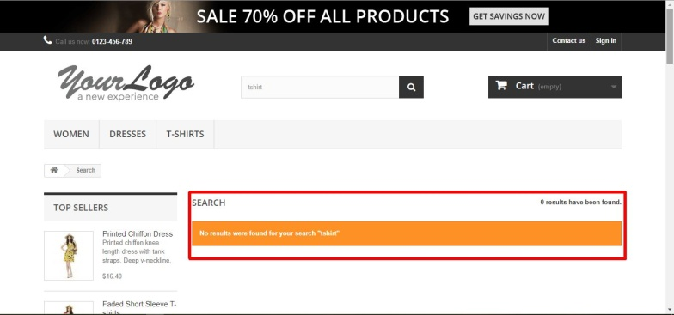

2.Requirements - Shopping cart

Req ID | Test Case ID | Author | Test Case | Description | Priority | Environment | Preconditions | Steps | Result | Status | Comments

2. | TC003 | G Piasecki | Adding items to a shopping cart | On 'http://automationpractice.com/' add few items to a shopping cart | High | Windows 10 | Start Windows 10, open Edge browser | 1.Type URL http://automationpractice.com/ | 1.Page is successfully opened | Passed | …
 |  |  |  |  |  |  |  | 2.Hover over "Dresses" an choose 'Casual dresses' | 2.Subpage is opened | Passed
 |  |  |  |  |  |  |  | 3.Select "More" on "Printed Dress" to see the details | 3.Item page is loaded | Passed
 |  |  |  |  |  |  |  | 4.Being on "Printed Dress" page, by clicking '+' add one more in 'Quantity' field to make it two. Then choose "M" size and select "Add to cart" | 4.Items with chosen properties are in the cart | Passed
 |  |  |  |  |  |  |  | 5.On the pop-up window click "Continue shopping" | 5.Pop-up window is closed | Passed
 |  |  |  |  |  |  |  | 6.Click on "Dresses" and select "Summer dresses" | 6.Summer dresses section is opened | Passed
 |  |  |  |  |  |  |  | 7.Hover over 3rd item "Printed Chiffon Dress" and select "Add to cart" | 7.Selected item is added to cart | Passed
 |  |  |  |  |  |  |  | 8.On the pop-up window select "Proceed to checkout" | 8.Checkout page is loaded | Passed
 |  |  |  |  |  |  |  | 9.Verify is total price has been charged correctly | 9.Total price is charged correctly | Passed

